About LW
About
LIVING WATERWAYS – Version 3
Why?
Well-designed urban green infrastructure supports connections between people, water and nature, and creates opportunities for experiences that improve human wellbeing. These benefits are even more important when climate change impacts to the stormwater system are considered. Our changing climate (higher temperatures, increased intensity of rainfall, and longer dry periods) will create pressures on urban waterways, and the residents of our cities. Green infrastructure contributes to a more resilient community when it is designed to achieve not only stormwater management objectives, but also other benefits such as mitigating urban heat island impacts, providing a diverse water supply and helping people to connect with each other and the natural environment. While the integrated design process can be challenging, a known success factor for achieving these outcomes is a collaborative design approach called co-design, where planners, landscape architects, engineers, local community and residents and other disciplines contribute equally to the process.
What is Living Waterways?
Living Waterways is an approach and framework that incentivises collaboration and integrated planning through the co-design of urban water systems. These outcomes are achieved through simple and measurable targets, against which designs can be easily assessed whilst ensuring ongoing operation and maintenance costs are reduced.
The Living Waterways approach can help teams in government and industry to deliver successful projects by:
- Providing an easy-to-use framework to guide multiple outcomes from the design phase.
- Considering synergistic solutions that deliver a high performing site that respects its physical place in the broader community as well as its role in meeting broader community goals and expectations.
- Ensuring integrated sustainable water management and amenity outcomes are at the forefront of the early design process, preventing costly and untimely design conflicts during planning and construction phases.
- Promoting a process whereby Planners, Urban Designers, Landscape Architects, Civil and Environmental Engineers, and Certified Environmental Practitioners are present and accountable in the initial design phases of projects.
- Promoting Collaborative Thinking when developing design solutions and strategies for site layouts.
- Understanding the needs of a community in regards to their waterways. Enabling communities to be engaged through a meaningful and authentic co-design process.
- Promoting the support and establishment of an informed local community that has ownership of Living Waterways Principles as a final outcome of the process.
Version 3 - What’s new?
An updated, easier to use scoring system that clearly and transparently demonstrates how the design of urban stormwater projects aligns with meeting a broad range of desired outcomes, such as waterway health protection, stewardship and resilience building. The system provides government authorities with the opportunity to set different minimum standards for development projects that align with the diverse values of their communities. There are a number key additions to the framework in version 2:
An updated scoring system
The scoring system has been simplified and improved to create a stepwise process to meet required scores for each of the elements in Table 1, in accordance with local or state government regulation, but with minimum standards.
Resilience
The resilience tab has been developed to analyse how the project contributes to the principles of social-ecological resilience. This tab will consider how well the proposed project aligns with the overarching need for greater adaptability and flexibility in management approaches in the face of complex threats – such as increasing climate variability, population growth, and pollutant sources.
Projects that have achieved the minimum Living Waterways overall score can also be compared using this resilience score which is calculated automatically.
User interface
A digital user interface will allow designers/project managers to easily input all of the necessary data and automatically calculate these scores to allow different projects to be compared based on the different benefits they will provide. The online tool is available at http://www.livingwaterways.com.au and http://www.waterbydesign.com.au
Points for an inclusive design process
While Living Waterways is an outcomes-focused framework, it is acknowledged that it is critical to conduct a cooperative design process that considers and includes the values of the local community. Points are given in desired outcomes LC4 and LC5 for documenting approaches to include these values.
How do I use Living Waterways in my project?
The Living Waterways Framework aligns the values that motivate traditional stormwater principles with place-making and liveability benefits for the community. The Framework also ensures consideration for the resilience of infrastructure and the communities they serve. Living Waterways acknowledges that in built up areas, particularly in urban centres, development anticipated by many Local Planning Schemes may involve 100% site cover, podium, no street setback and landscaping at upper levels. Accordingly, the opportunities for any pervious areas on the ground level are restricted or unavailable. In these circumstances, positively considering these innovative design approaches through a credited and defined process, local councils increase their ability to meet multiple desired outcomes.
The Living Waterways framework
The Living Waterways Framework is a scorecard that allows multi-disciplinary teams and assessment agencies to evaluate how a proposed stormwater project achieves outcomes across four themes as shown in Table 1. The four themes are scored against desired outcomes for stormwater quality, waterway health, resilience and an overall Living Waterway score (Table 2).

Table 1 – Living Waterways available points

Table 1 – Living Waterways themes

 | Theme | Description | Intent
 | Living Water (LW) | Protect and enhance our water systems and their environments | To ensure development incorporates total water cycle practices that protect the environment
 | Living Environment (LE) | Protect and enhance natural areas ajacent to waterways | To encourage community acceptance of good waterway management practices
 | Living Communities (LC) | Create versatile places that enable safe, healthy, inclusive and resilient communities | To encourage innovative, safe and versatile design that delivers enduring benefits for communities
 | Living Local Economies (LLE) | Provide affordable enduring solutions that are viable to build, use and maintain | To ensure that community receive maximum value from blue/green infrastructure

Table 2 – Living Waterways Safeguard Thresholds

 | Element | Minimum Points Required | Notes
 | Stormwater Quality (LW1) | 2 points | equivalent to achieving 80% of the stormwater management design objectives (Table B of the State Planning Policy, Water Quality) in the relevant climatic zone
 | Waterway Health (LW+LE) | 20 points | in addition to meeting the minimum standards for stormwater quality above
 | Overall Score (LW+LE+LC+LLE) | 40 points | Minimum score required to achieve compliance

Stormwater Quality (LW1)
Pollutants in urban stormwater are one of the key threats to the health of both local waterways and also receiving environments. It is critical that all stormwater management projects achieve a minimum standard for stormwater management projects that reflects community desires for water quality. In the scoring this is demonstrated by achieving a proportion of locally defined stormwater management design objectives. For example in a local government area where stormwater pollutant reduction objectives are 80% for total suspended sediment, 60% for total phosphorous, 45% for total nitrogen and 90% for Gross pollutants, proponents would need to achieve as a minimum, 80% of the stormwater pollutant load reduction targets equating to 64%, 48%, 36%, and 72% reductions in TSS, TP, TN and GP, where minimum waterway health outcomes are achieved. It is assumed that management strategies that achieve these outcomes will also address other pollutants in urban stormwater such as metals, however these are generally not explicitly set as management objectives.
Waterway Health (LW + LE)
Urban development impacts waterway health in three key ways:
- Increases in loads of pollutants in stormwater such as sediment, nutrients, litter and metals.
- Changes to both high flow (stream forming flows, causing disruption to the physical structure of a waterway channel), and low flow hydrology (e.g. reduction in winter baseflow, increases in surface flow days and duration).
- Reducing the space for, and quality of both riparian and in-stream environments that provide critical ecological and social value.
The Living Waterways approach rewards urban stormwater design outcomes that are holistic and protect the values of both local waterways and receiving environments by awarding points to strategies that address the Living Water and Living Environment themes. Waterway health scores can be used by project teams and assessment authorities to evaluate the contribution of proposed stormwater management infrastructure to waterway health outcomes.
Living Waterways score (LW + LE + LC + LLE)
To achieve a minimum Living Waterways score, the development must achieve a score above 40 credits across all themes and address all mandatory items outlined above. Where a proposed development has been designed with this scoring system in mind, the onus is on the applicant to demonstrate how the proposal achieves individual theme credits .
Resilience
Our changing climate means that there will be increasingly unpredictable events such as flooding, drought, heatwaves and bushfires. By building the ability of our communities to not only withstand these impacts, but also to understand how we all play a role in developing better cities will help us to improve outcomes in response to these system shocks. The Resilience tab highlights where the proposed project achieves outcomes that will help to protect the natural environment and communities that depend on them. The outcomes contribute to resilience through protecting and insulating natural environments and local communities from shocks and slow forms of change. The Stockholm Resilience Centre proposes seven principles for improving the resilience of interdependent societies and ecosystems, (refer Resilience Tab). For more information, see http://www.stockholmresilience.org/
Summary
Living Waterways is an innovative approach with the potential to achieve multiple benefits for all involved. It is intended that this model will evolve and adapt to enable the broadest possible use and application. Your feedback is welcome, as we all continue striving to create sustainable economies, thriving communities and living waterways.

 |  |  |  | © 2020 Water by Design

Score
Score summary
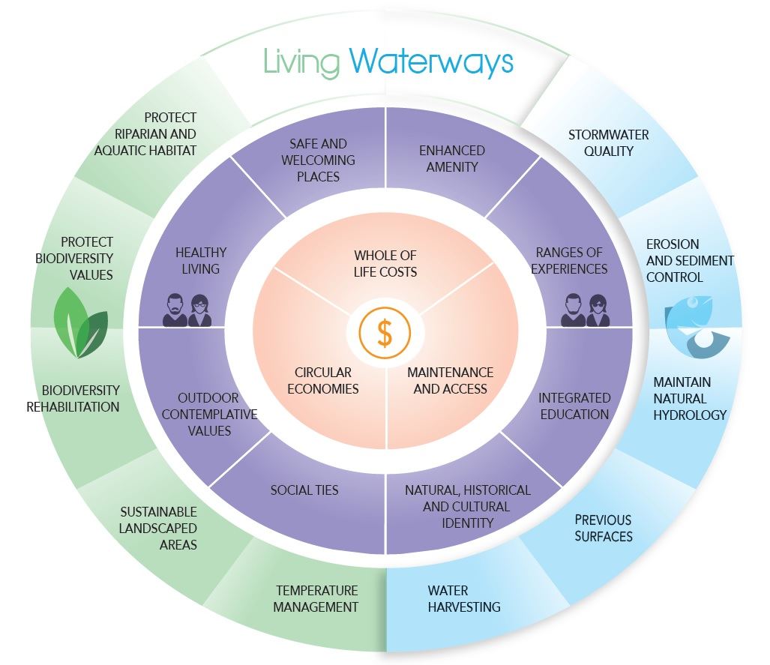
your project score updates automatically
 |  |  |  |  |  | SCORE
Value | Element | Description | Score | Available | 0 | 2 | 4 | 6 | 8 | 10 | 12

Living Water | LW1 | STORMWATER QUALITY (min 2pts) | 8 | 12 |  | 67%
 | LW2 | EROSION AND SEDIMENT CONTROL (min 6pts) | 6 | 12 |  | 50%
 | LW3 | MAINTAIN NATURAL HYDROLOGY | 4 | 4 |  | 100%
 | LW4 | PERVIOUS SURFACES | 0 | 12 |  | 0%
 | LW5 | WATER HARVESTING | 0 | 12 |  | 0%
Living Environment | LE1 | PROTECT RIPARIAN AND AQUATIC HABITAT | 2 | 4 |  | 50%
 | LE2 | PROTECT BIODIVERSITY VALUES | 0 | 8 |  | 0%
 | LE3 | BIODIVERSITY REHABILITATION | 0 | 4 |  | 0%
 | LE4 | SUSTAINABLE LANDSCAPED AREAS | 0 | 6 |  | 0%
 | LE5 | TEMPERATURE MANAGEMENT | 0 | 6 |  | 0%
Living Communities | LC1 | ENHANCED AMENITY | 0 | 4 |  | 0%
 | LC2 | RANGES OF EXPERIENCES | 0 | 6 |  | 0%
 | LC3 | INTEGRATED EDUCATION | 0 | 6 |  | 0%
 | LC4 | NATURAL, HISTORICAL AND CULTURAL IDENTITY | 0 | 4 |  | 0% |  |  |  |  |  | AVAILABLE POINTS
this chart shows the distribution of points
 | LC5 | SOCIAL TIES | 0 | 4 |  | 0%
 | LC6 | OUTDOOR CONTEMPLATIVE VALUES | 0 | 2 |  | 0%
 | LC7 | HEALTHY LIVING | 0 | 4 |  | 0%
 | LC8 | SAFE AND WELCOMING PLACES | 0 | 6 |  | 0%
Living Local Economies | LLE1 | WHOLE OF LIFE COSTS | yes | y/n |  | 100%
 | LLE2 | MAINTENANCE AND ACCESS | yes | y/n |  | 100%
 | LLE3 | CIRCULAR ECONOMIES | 0 | 4 |  | 0%

 |  | OVERALL SCORE | 20 | 120 |  | 17%

 |  |  |  | Safeguard Thresholds

your project must achieve these minimum requirements
 |  | Water Quality - LW1 | 8 | min = 2 points
 |  | Waterway Health - LW + LE | 20 | min = 20 points
 |  | Living Waterways - Total | 20 | min = 40 points

 |  |  |  |  |  |  |  |  |  |  |  |  | © 2020 Water by Design

Data
Short Form
 |  |  |  |  | SCORE
 |  |  |  | 0 | 2 | 4 | 6 | 8 | 10 | 12
LIVING WATER
Protect and enhance our water systems and their environments
more detail provided in the 'detail' tab
Runoff pollution is minimised
LW1 | STORMWATER QUALITY | 8 | CREDITS |  | 67% |  |  |  |  |  |  | 0
 | Special note: points are cumulative (tick all boxes for full points). A Min of 2 credits must be achieved | 12 | AVAIL |  |  |  |  |  |  |  |  | 1
 |  | TRUE |  |  |  |  |  |  |  |  |  | 2
 |  | TRUE |  |  |  |  |  |  |  |  |  | 3
 |  | TRUE |  |  |  |  |  |  |  |  |  | 4
 |  | TRUE |  |  |  |  |  |  |  |  |  | 8
 |  | FALSE |  |  |  |  |  |  |  |  |  | 9
 |  | FALSE |  |  |  |  |  |  |  |  |  | 10
LW2 | MINIMUM EROSION AND SEDIMENT CONTROL | 6 | CREDITS |  | 50% |  |  |  |  |  |  | 11
 | Special note: mandatory items must be achieved | 12 | AVAIL |  |  |  |  |  |  |  |  | 12
 |  | FALSE
 |  | FALSE
 |  | TRUE
check each aplicable box
 |  | TRUE
 |  | TRUE
 |  | TRUE
 |  | TRUE
 |  | TRUE
 |  | FALSE
 |  | FALSE
 |  | FALSE
 |  | FALSE
LW3 | MAINTAIN NATURAL HYDROLOGY | 4 | CREDITS |  | 100%
 |  | 4 | AVAIL
 |  | TRUE
 |  | TRUE
LW4 | PERVIOUS SURFACES ARE ENCOURAGED AND IMPERVIOUS SURFACES ARE DISCONNECTED. | 0 | CREDITS |  | 0%
 | Special note: points are cumulative (tick all boxes for full points) | 12 | AVAIL
 | Minimum 50% directly disconnected required to earn points | TRUE
 |  | FALSE
 |  | FALSE
 |  | FALSE
 |  | FALSE
 |  | FALSE
LW5 | WATER HARVESTING | 0 | CREDITS |  | 0%
 | Special note: points are cumulative (tick all boxes for full points) | 12 | AVAIL
 |  | FALSE
 |  | FALSE
 |  | FALSE
 |  | FALSE
 |  | FALSE
 |  | FALSE

LIVING ENVIRONMENT
Preservation and enhancement of waterways and natural areas
Places where biodiversity is protected
LE1 | PROTECT RIPARIAN BUFFERS AND AQUATIC HABITAT | 2 | CREDITS |  | 50%
 |  | 4 | AVAIL
 |  | FALSE
 |  | TRUE
LE2 | PROTECT BIODIVERSITY VALUES | 0 | CREDITS |  | 0%
 |  | 8 | AVAIL
 |  | FALSE
 |  | FALSE
 |  | FALSE
 |  | FALSE
Places where biodiversity is enhanced
LE3 | BIODIVERSITY REHABILITATION AND ENHANCEMENT | 0 | CREDITS |  | 0%
 |  | 4 | AVAIL
 |  | FALSE
 |  | FALSE
LE4 | SUSTAINABLE LANDSCAPED AREAS | 0 | CREDITS |  | 0%
 |  | 6 | AVAIL
 |  | FALSE
 |  | FALSE
 |  | FALSE
LE5 | TEMPERATURE MANAGEMENT | 0 | CREDITS |  | 0%
 |  | 6 | AVAIL
 |  | FALSE
 |  | FALSE
 |  | FALSE
 |  | FALSE
 |  | FALSE
 |  | FALSE

LIVING COMMUNITIES
Create versatile places that enable safe, healthy, inclusive and resilient communities
Places that are attractive and draw people in
LC1 | ENHANCED AMENITY | 0 | CREDITS |  | 0%
 |  | 4 | AVAIL
 |  | FALSE
 |  | FALSE
LC2 | RANGES OF EXPERIENCES THAT CREATE COMMUNITY INTEREST | 0 | CREDITS |  | 0%
 |  | 6 | AVAIL
 |  | FALSE
 |  | FALSE
 |  | FALSE
 |  | FALSE
 |  | FALSE
 |  | FALSE
Places that promote education, awareness and stewardship
LC3 | INTEGRATED, INTERACTIVE AND ENGAGING EDUCATION | 0 | CREDITS |  | 0%
 |  | 6 | AVAIL
 |  | FALSE
 |  | FALSE
 |  | FALSE
LC4 | NATURAL, HISTORICAL AND CULTURAL IDENTITY | 0 | CREDITS |  | 0%
 |  | 4 | AVAIL
 |  | FALSE
 |  | FALSE
 |  | FALSE
 |  | FALSE
Places that give back to the community - social wellbeing
LC5 | SOCIAL TIES, COMMUNITY BUILDING | 0 | CREDITS |  | 0%
 |  | 4 | AVAIL
 |  | FALSE
 |  | FALSE
 |  | FALSE
 |  | FALSE
LC6 | OUTDOOR CONTEMPLATIVE VALUES | 0 | CREDITS |  | 0%
 |  | 2 | AVAIL
 |  | FALSE
 |  | FALSE
LC7 | HEALTHY LIVING | 0 | CREDITS |  | 0%
 |  | 4 | AVAIL
 |  | FALSE
 |  | FALSE
 |  | FALSE
 |  | FALSE
LC8 | SAFE AND WELCOMING PLACES | 0 | CREDITS |  | 0%
 |  | 6 | AVAIL
 |  | FALSE
 |  | FALSE
 |  | FALSE

LIVING LOCAL ECONOMIES
Provide affordable, enduring solutions that are viable to build, use and maintain
LLE1 | WATER SYSTEMS THAT CONSIDER WHOLE OF LIFE COSTS AND VALUE FOR MONEY | yes | Complies |  | 100% |  |  |  |  |  |  | yes
 | Special note: this is considered a mandatory item. Boxes are provided as a guide. |  |  |  | 1 | 1 |  |  |  |  |  | no
 |  | TRUE
 |  | TRUE
 |  | TRUE |  |  | 0
 |  | TRUE |  |  | 0
LLE2 | WATER SYSTEMS THAT CONSIDER MAINTENANCE AND ACCESS REQUIREMENTS | yes | Complies |  | 100%
 | Special note: this is considered a mandatory item. Boxes are provided as a guide. |  |  |  | 1 | 1
 |  | TRUE
 |  | TRUE
 |  | TRUE |  |  | 0
 |  | TRUE |  |  | 0
LLE3 | CIRCULAR ECONOMIES | 0 | CREDITS |  | 0%
 |  | 4 | AVAIL
 |  | FALSE
 |  | FALSE

 |  | 20 | CREDITS |  | 17%
 |  | 120 | AVAIL

 |  |  |  |  |  |  |  |  |  |  | © 2020 Water by Design

Detail
Detail
cross references to other products
 |  |  | QLD State Planning Policy | Justification | UN Sustainable Development Goals | Water Sensitive Designs

LIVING WATER
Protect and enhance our water systems and their environments
Runoff pollution is minimised
LW1 | STORMWATER QUALITY | Hazard: Pollution (TSS, TN, TP & GP) | Water Quality section 3(a, d) & 5 on page 45. | Cooperative Research Centre (CRC) for Water Sensitive Cities examined property sales in Sydney between Jan 2008 and Sep 2014 and found houses sold for at least $50,000 more when a rain garden was less than 50 metres away.
 | Stormwater pollution is avoided by local management and the design of sustainable intercepting and treatment environments between the site and receiving waters. In a local government area where stormwater pollutant reduction objectives are 80% for total suspended sediment, 60% for total phosphorous, 45% for total nitrogen and 90% for Gross pollutants, proponents would need to achieve as a minimum, 80% of the stormwater pollutant load reduction targets equating to 64%, 48%, 36%, and 72% reductions in TSS, TP, TN and GP, where minimum waterway health outcomes are achieved. | The aim of this desired outcome is to encourage the consideration of localised capture of pollutants (e.g. sediment, nutrients and other toxicants) and treatment methods that minimise downstream impacts. Local site maintenance and management activities should be considered as the preferred way for achieving healthy waterway goals. |  |  | 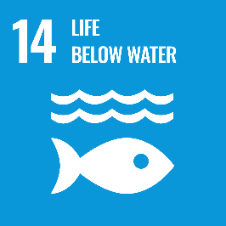
 |  | Important note: Where the development’s receiving waters have been identified as sensitive receiving areas/waters or significant or valuable by State and Local authorities, then pollutant levels must meet or be below target loads. In this case, at
 |  | least 8 Credits must be achieved. Where a voluntary water quality offset payment arrangement has been entered into with local and or state authorities, then up to 8
 |  | Credits can be achieved as an alternative to meeting the stormwater loads. All developments must put in place measures to prevent litter entering waterways.
 | A MINIMUM OF 2 CREDITS MUST BE ACHIEVED AGAINST THIS ITEM
LW2 | EROSION AND SEDIMENT CONTROL | Hazard: Sediment (TSS) | Water Quality section 3(a, d) & 4 (Appendix 2) on page 45. | Based on 2015 rates of urban land development, construction activities in SEQ are estimated to generate ~114,000 tonnes of mobilised sediment annually. This represents approximately 40% of the total sediment load entering SEQ waterways each year. (Healthy Waterways, 2015).
 | Development complies with the relevant requirements for construction processes outlined in the following documentation: | The following list provides a source of associated guidelines in meeting this requirement. - State and Regional Design Guidelines - State Planning Policy - Best Practice Erosion and Sediment Control (International Erosion Control Association).
 | - Local Planning Schemes and relevant policies. | Key principles of effective Erosion and Sediment Control (ESC) to be considered include:
 | - Common Law requirements regarding impacts on downstream property. | - Integrate ESC into the site planning, design, construction phase and post construction phase process
 |  | - ESC Plans and practices must reflect site characteristics (eg. soil types)
 |  | - Minimise the extent and duration of soil disturbance; |  | Sustained and consistent ESC compliance and enforcement activities can result in high levels of effective onsite ESC performance within the land development industry, capable of achieving sediment load reductions of 60 – 80%.
 |  | - Plan the staging and sequence of works to minimise risks
 |  | - Control water movement through the site (ie. ‘clean’ and ‘dirty’ water)
 |  | - Minimise soil erosion and promptly stabilise disturbed areas
 |  | - Maximise sediment retention on the site
 |  | - Maintain all ESC measures in proper working order at all times
 |  | - Monitor and adjust ESC practices as required to protect water quality
 |  | - Integrated ESC and WSUD planning |  | (Healthy Waterways, 2015).
 |  | - Total site capture
 |  | - Sediment basin water reuse for dust suppresion
 |  | - Staged development to expose less than 20% of site at any one time

Flow hydrology harm minimised

LW3 | MAINTAIN NATURAL HYDROLOGY | Hazards: flow volume, flow rate, flow frequency, flow change, flooding | Water Quality section 1, 2(b,c,d), 3(a) & 4(Appendix 2) on page 45. | In a typical setting, Stormwater Quality modelling (e.g. MUSIC modelling) shows rainwater tanks can reduce flow volumes by about 9% (Alluvium, 2019).
 | Change in stormwater flow regimes have been shown to have impacts on downstream ecosystems. Development should work towards maintaining natural hydrology. This item is most applicable to developments that discharge to non-tidal natural waterways. | The aim of this desired outcome is to reduce the impact of urban developing by encouraging practices that restore natural hydrologic regimes. |  |  |  | 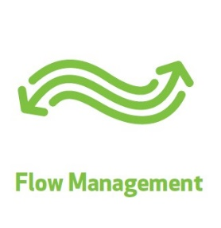

 | Hydrologists should be engaged to develop a stormwater strategy that will help mitigate hydrologic change. This could include any combination of the following measures:
 | I. Reduce annual average runoff volume by 10% compared to ‘business as usual’.
 | II. Preserve, restore and utilise natural flood storage zones and enhance flood resilience.

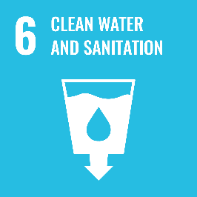
Stormwater that is managed at source - avoids impacts
LW4 | PERVIOUS SURFACES ARE ENCOURAGED AND IMPERVIOUS SURFACES ARE DISCONNECTED. | Hazards: reduced ground water infiltration, increased runoff | Water Quality section 2(b, d) & 3 (a)on page 45. | Developing and paving a catchment can increase flows above natural conditions by up to 5 times (Walsh, 2020).
 | Impervious surfaces should be minimised through the following practices: | The aim of this desired outcome is to limit the volume and rate of runoff resulting from impervious surfaces (such as parking lots, building rooftops, external hardscape
 | - Avoid creation of pollutants through source control programs | areas). Limiting flows reduces opportunities for the accumulation of debris, sediments
 | - Maximising the extent of permeable soils; | and unhealthy pollutants from adversely affecting receiving waters.
 | - Minimising slab-on-ground construction; | Permeable paving and green roofs are alternatives to impervious surfaces, while landscape
 | - Using permeable pavements where appropriate; | buffers and raingardens can reduce the impact of runoff from unavoidable
 | - Using green roofs/passive irrigation/wicking beds; | impervious surfaces. See Impervious surface definition.
 | - Avoiding direct drainage from impervious surfaces to stormwater drainage systems and waterways;
 | - Direct stormwater from impervious surface to pervious surface/infiltration trenches/stormwater harvesting/flow dispersal devices.

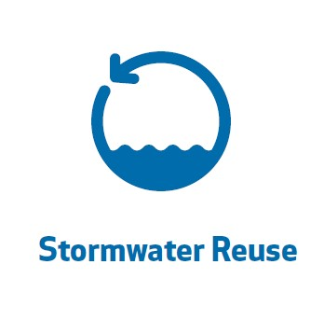
Beneficial Reuse of Stormwater
LW5 | WATER HARVESTING | Hazard: over reliance on potable water sources / Opportunity: beneficial reuse | Infrastructure integration section 2 on page 56. | Recent studies show a rainwater tank can add $18,000 to the value of a property (Zhang et al. 2015).
 | Harvested roofwater or stormwater, or treated wastewater, is used to supply non-potable uses, such as irrigation, passive watering, toilet flushing etc. | This Desired Outcome supports the use of non-potable uses to reduce the demand on community water infrastructure and reduce the energy and community costs associated with processing and pumping potable water.
 |  | Reuse of treated wastewater can only be implemented where a local government policy that supports such practices is in place. |  | A meta study of various willingness to fund research projects documented the freedom from water restrictions benefit and found it varies from $3 a month to $33.50 a month per household (Houtven et al 2017
 |  | Refer to the Water by Design “Concept Design Guidelines” Best Management Practices for rainwater and stormwater harvesting.


LIVING ENVIRONMENT |  |  |  | et al., 2017).
Preservation and enhancement of waterways and natural areas
Places where biodiversity is protected

LE1 | PROTECT RIPARIAN AND AQUATIC HABITAT | Hazard: clearing of riparian habitat
 | Development complies with legislative requirements where prescribed vegetated buffer widths are mandated for the protection of riparian and/or aquatic habitat. | This desired outcome aims to encourage opportunities to incorporate improved biodiversity, riparian vegetation and in-stream habitat to prevent the long-term deterioration of waterways. The minimum buffers provided in the adjoining column are considered a guide Legislation in order to: | Biodiversity section 1, 2, 3 & 4 on page 39. Coastal Environment section 1(b) on page 41. Water Quality section 1 & 4(Appendix 2) on page 45. Emission & Hazardous activities section 1 & 7 on page 49. |  | 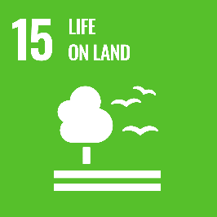
 | - If a waterway is not covered by a Local Planning Scheme overlay and relevant provisions, a minimum 25m vegetated buffer from the top of the high bank applies (see notes in provision requirements | - protect or enhance habitat values, connectivity and other ecological processes and values
 | regarding larger buffers). | - protect water quality and aquatic conditions
 |  | - maintain natural micro-climatic conditions
 |  | - maintain natural hydrological processes
 |  | - prevent mass movement, gully erosion, rill erosion, sheet erosion, tunnel erosion, stream bank erosion, wind erosion, or scalding and
 |  | - prevent loss or modification of chemical, physical or biological properties or functions
 |  | In proposing a site design, consideration should be given to the following acceptable design outcomes:
 |  | - Minimise creek crossings. Creek crossings should be designed so they do not impede terrestrial or aquatic fauna movement.
 |  | - Waterways should not be hidden at the rear of development where they are inaccessible, rather they should be an accessible feature integrated into public spaces.
 |  | - Direct stormwater outlets to waterways should be avoided in favour of dispersing flows within riparian area.

 |  | Resource: Buffer Guidance (Appendix F)
 |  | https://wetlandinfo.ehp.qld.gov.au/resources/static/pdf/resources/reports/buffer-guide/wetland-buffer-guideline-14-04-13.pdf

LE2 | PROTECT BIODIVERSITY VALUES | Hazard: monocultures / Opportunities: enhance and extend habitat | Biodiversity section 1, 3 & 4 on page 39. Coastal Environment section 1(b) on page 41.
 | Existing and proposed vegetation on the site is maintained and considers the retention of ecological function and connections that exist beyond the site’s boundaries. | This Desired Outcome encourages solutions underpinned by the Landscape Principles endorsed by the Australian Institute of Landscape Architects.
 | Design outcomes include the following: | For the purposes of this Outcome, indigenous plant species are those that occur naturally in a particular area. It is not sufficient to utilise ‘native’ species, which simply means those species that occur naturally in Australia.
 | i) Vegetation based water systems and other site landscaping reflect local ecosystem communities and utilises local, indigenous planting where available. | Landscaping design should consider the patterns and densities which emulate the natural state of riparian corridors and vegetation communities within the area.
 | ii) In public spaces (parks, roadsides) existing indigenous plant communities are retained and incorporated into landscape design in a way that retains their natural habitat qualities. (note: Commonwealth, State and or Local legislation may require vegetation retention beyond this requirement). | Where they are available, refer to indigenous planting guides prepared by Greening Australia or guidelines provided by local Councils. The requirements may be achieved by using commercial nursery stock or collected seed.
 | iii) Where local priority species for conservation (e.g. platypus, frogs, and birds) are present in a catchment, effort is made to restore habitats (e.g. nesting boxes, retention of habitat logs etc).
 | Iv) Where waterways are created (i.e. through Natural Channel Design, pipe daylighting or channel naturalisation) a range of ecological niches are provided.

Places where biodiversity is enhanced

LE3 | BIODIVERSITY REHABILITATION AND ENHANCEMENT | Opportunities: enhance habitat | Biodiversity on page 39.
 | Development maximises the opportunities for the rehabilitation of waterways and their riparian corridors. | The requirement seeks to maximise biodiversity opportunities in the community. In particular, it encourages the restoration and rehabilitation of the natural riparian
 | Degraded sections of waterways and riparian corridors are revegetated with indigenous plant species in patterns and densities which emulate the natural state of riparian corridors within the area. This item includes channel naturalisation and may include restoration of fish passage through existing culverts / weirs. | plant community in our waterways and natural drainage channels in consultation with local government authorities.

 | Important note: Where a biodiversity offset payment arrangement has been entered into with a State or Local Authorities, credit for this outcome may be granted in discussion with Council.
LE4 | SUSTAINABLE LANDSCAPED AREAS | Hazards: toxicity, removal of key landscape features, maintenance intensive, high water use | Tourism section 3(b) on page 36. Biodiversity on page 39. | A study found a 10% increase in tree canopy in the street was associated with an increase in property sale prices of $18,707 (Netusil et al., 2014).
 | Landscape design outcomes promote resilience and capacity for adapting to change, and include the following: | This Desired Outcome encourages solutions underpinned by the Landscape Principles endorsed by the Australian Institute of Landscape Architects.
 | (i) Landscape Materials | For the purposes of this outcome, ‘native’ Australian plant species (those species that occur naturally in Australia) should be utilised, with a preference for ‘indigenous’ plant species (those that occur naturally in a particular area). |  | A study in Perth found that a 10% increase in canopy cover adjacent to public open space was worth $17,264 per property (Pandit, 2013).
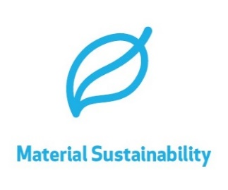
 | » Retention of existing landscape features and vegetation on site
 | » Retention and planting of trees to optimise shade to create useable and comfortable areas | The use of native species can have a number of benefits including provision of habitat for native fauna, and better adaptation to the soil, rainfall, heat, humidity and other site conditions.
 | » Minimise use of impervious pavements and turf. Where turfing is necessary consider using a turf species that requires less watering and mowing. Minimise the use of plastics | Dense native plantings which promote shading and leaf litter will shade out weeds and reduce weed invasion.
 | (ii) Landscape Management | Where they are available, refer to indigenous planting guides prepared by Greening Australia, or guidelines provided by local Councils.
 | » Landscape design outcomes should minimise the need for intensive weeding and maintenance, fertilisation and post-establishment irrigation, especially from potable sources. | Where exotic plant species are proposed, ensure they are not included on lists of noxious and/or environmental weeds.
 | Planting design should be approached with the aim of: | The requirements may be achieved by using commercial nursery stock or collected seed.
 | - maximising plant viability | Where they are available, refer to indigenous planting guides prepared by Greening
 | - reducing erosion | Australia. or guidelines provided by local Councils.
 | - controlling weed invasion | The requirements may be achieved by using commercial nursery stock or collected seed.
 | - providing adequate water infiltration
 | - enabling ease of maintenance to support long-term plant viability and vigorous growth.


 | (iii) Minimise potable water use for landcapes
 | maximise passive irrigation - wicking beds, stormwater mining, watersmart street trees, xeriscapes.

LE5 | TEMPERATURE MANAGEMENT | Hazards: heat, carbon dioxide / Opportunities: shade, passive cooling | Infrastructure Integration section 2(a) on page 56. | Scenario Modelling at Yarrabilba shows the potential to counteract a Heat Island effect by up to 5 degrees on maximum temperature days by using a Water Sensitive Cities approach (Tanner, 2020)
 | There are a number reasons why temperature should be included in the design of stormwater managemnt systems. Consideration should be given to water temperature (ecology), air temperature (microclimate & livability) and climate change in general: | Aquatic ecosystems can be very sensitive to temperature changes. This is often induced via reductions in disolved oxygen as well as encouragement of algal growth caused by over-heated waterbodies. |  |  | 
 | (i) Water temperature | Climate change is also a significant threat to coral reef systems and every effort should
 | - provide canopy trees adjacent to waterways to throw shade on ponded water and lower temperatures. | be made to reduce carbon emmisions in what ever way we can. Water can also be used in the landscape to counteract the discomfort and distress caused by a heating
 | - avoid concrete open channels that may heat ponded water. | climate and provide ecosystem refugia.
 | - encourage flushing of water bodies as stagnant lakes and ponds can heat up and retain heat.
 | (ii) Air temperature
 | - provide passive irrigated steet trees to regulate the microclimate.
 | - provide irrigated green roofs to assist with passive cooling.
 | - keep water features in the landscape to provide evaporative cooling.
 | (iii) Climate change
 | - provide carbon neutral/low-energy water management systems that do not contribute to climate change.

LIVING COMMUNITIES
Create versatile places that enable safe, healthy, inclusive and resilient communities
Places that are attractive and draw people in

LC1 | ENHANCED AMENITY | Hazards: uncohesive design, poor aesthetics | Liveable Communities section 1 (b,e) & 3 on page 26. Water Quality section 4 & 5(a,b) on page 45. Infrastructure Integration section 2(a,d) on page 56.
 | The planning of landscape and stormwater management systems provides for a design outcome that includes: | The aim of this desired outcome is to maximise the potential for increased site and streetscape amenity.
 | i) A unified landscape and stormwater design approach for the site. For example harvested stormwater could be used to irrigate a landscape. | It recognises the research suggests that stormwater treatment methods that go beyond ‘traditional detention ponds’ have the potential to add various and distinct amenity values to a locality.
 | (ii) At least one stormwater treatment system designed to a standard of high visual amenity, and well integrated with the site design, and preferably sited in a visually prominent location, such as a main entry, courtyard or other publicly accessible area to allow high visibility for visitors, residents, employees and passers-by. | Such stormwater treatment methods can include - vegetated swales and raingarden systems integrated with the streetscape as agreed by Council or within the publically accessible parts within the site’s boundary.
 |  | Refer to the Water by Design “Technical Design Guidelines” landscape design notes for each water treatment measure.

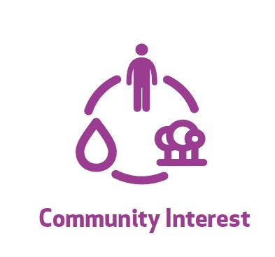

LC2 | RANGES OF EXPERIENCES THAT CREATE COMMUNITY INTEREST | Hazards: one-dimensional, no-co-benefits, missed opportunities | Liveable communities section 1(b,d,e) & 3(a,c) on page 26. Tourism section 3(b) & 4 on page 36.
 | The planning of landscape and stormwater management systems provide for a design outcome that delivers a range of experiences for site users, including experiences and connection with water that are adventurous and playful. | This desired outcome aims to utilise water to create and enhance the opportunities for place-making within our communities.
 | Design includes the following: | The outcome acknowledges research which examines the importance of our relationship with water that goes beyond our biological interactions with it (such as needing it for survival).
 | (i) A variety of ‘sensory’ vegetation connected with stormwater management systems that is within view and/or reach of the public/site visitors. | The research illustrates that water can influence people’s movements, life and social experiences and sensory perceptions. It accepts that water is multi-dimensional and has the opportunity to contribute to a place’s distinct setting, sense of place and identity.
 | (ii) A water management system that utilises swales and/ or natural drainage lines to draw attention to the ‘line’ of the stormwater trail. | In designing the site’s built and environmental form, a focus should be given to including stormwater management systems provide sensory (including visual, textural and aural) interest in publicly accessible areas.
 | (iii) A design outcome that allows users to touch the water systems in different forms such as flowing, falling, splashing. | Consideration should also be given to improving existing or ‘leftover’ spaces on the site for adding aesthetic richness to the site’s external spaces.
 | (iv) A design outcome that allows for the creation of a variety of sounds, rhythms and volumes. This can be achieved by allowing stormwater to fall from various heights, by varying the amounts and rate of stormwater falling and flowing and the utilisation of different surfaces (pebbles, stone, metal etc). | See Definitions for - Sense of Place, Natural Drainage Line & Sensory Vegetation. This desired outcome also recognises that most traditional stormwater management systems are designed with the intention to keep people away from designated infrastructure areas.
 | (v) Clear legible paths that ensure visual and physical encounters with onsite water corridors or water locations. | This outcome fosters interaction with water by encouraging design that allows for safe access points and opportunities for water experiences that allow users to see, touch and play with water in a safe urban environment.
 | (vi) A place for safe play and/or exploration associated with the water systems. This would include clear points of entry/egress into the system that are safely accessible. | Design features should consider where possible activities that invite physical exploration and interaction and engagement by the user. For instance, where safety permits, using small moveable river rocks, stepping stones etc.
 |  | See definition list for definition of “Point of entry” and "wild".

Places that promote education, awareness and stewardship


LC3 | INTEGRATED, INTERACTIVE AND ENGAGING EDUCATION | Hazards: does not engage, does not inform | Tourism section 1 & 3(b) on page 36.
 | The planning of landscaping and stormwater management systems provide for a design outcome which incorporates educational and interpretative opportunities for the site users. | The aim of this Desired Outcome is to reconnect communities with the natural water cycle. The provision focuses on raising the “visual profile” of the water cycle in the
 | The design must: | community and enabling interactive activities focused on water. Ideally education design principles should consider the following:
 | (i) Incorporate a minimum of two separate educational or interpretive elements that are interactive. | - Elements encourage both an educational and emotional level of connection with the site users to set a broader environment and social context for the development.
 | (ii) Provide a minimum of two educational or interpretive elements (maps, signage, brochures, public art elements etc) that draw attention to and explain water values. Only one of the two elements can be in the form of traditional signage. | - Elements encourage a step away from the traditional form of signage focused on biophysical aspects of the environment as an education tool and offers creative alternatives as educational opportunities.
 | (iii) Maximise environmental stewardship potential including: | - Elements (especially if using traditional signage) should not relate to specific defined functions of systems so there is no risk of signage becoming outdated
 | Litter reduction programs, safe carwashing programs, sweeping driveways, animal feaces disposal, plastic water bottle minimisation - waterbottle refill stations, connection with habitat groups, citizen science groups | Possible design approaches for interactivity include: - Interactive art features or elements that allow “touchable” systems that encourage exploration - Designs which exploit the sound of water
 |  | - Children’s water play areas, moving public art work that has a human interactive function to operate etc.
 |  | - Lighting features which engage and respond to interaction.
 |  | Outcomes can be easily achieved through the collaboration of engineering,
 |  | landscape architect disciplines and local artists (if utilising public art elements).

LC4 | NATURAL, HISTORICAL AND CULTURAL IDENTITY | Hazards: does not reflect the historical / cultural context | Liveable communities section 1(a,b,e), 2(a,b,e,f), 3 & 5 on page 26. Tourism section 3(b) on page 36. Cultural Heritage on page 43.
 | The planning of landscape and stormwater management systems provides for a design outcome that: | The aim of this Desired Outcome is to ensure the design process captures the layering of our urban landscapes as a result of differing cultural, historical and natural attributes over time.
 | i) Recognises and reflects cultural or heritage significance that is part of the unique character of a community or locality. | Site design should consider heritage and cultural values in a holistic perspective and in particular its relationship with identity and place.
 | (ii) Utilises the assistance of local cultural or heritage groups, relevant government agencies and/or Council in locating local elements worthy of reflection in the site’s design outcome | Indigenous landscape value activities should be undertaken in consultation with the relevant indigenous bodies for the locality and/or the local Council. In considering indigenous landscape values, thought should be given to the physical elements that may be integrated with the proposed development. This may include traditional boundaries, biodiversity, pathways and important sites/areas.
 | (iii) Careful reuse of local materials in designs or art features (eg. brickwork, stonework, lumber or iron) | In considering heritage site values, thought should be given to the elements that may be integrated with the proposed development. This may be in relation to the past use of the site or reference to the significance of planting, landscape and historical settings.
 | (iv) Reflects an inclusive community consultation process | The Strong Communities Handbook 2006, provide a useful list of aspects that should be considered when initiating community participation processes in cultural planning and design outcomes.

Places that give back to the community - social wellbeing

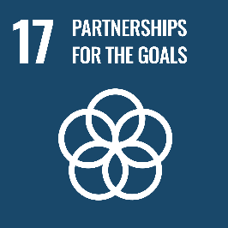
LC5 | SOCIAL TIES, COMMUNITY BUILDING | Hazards: lack of green space, social exclusion / Opportunity: community building | Liveable communities section 1(b,c,d,e), 2(a,b,e,f), 3(b,c) & 5 on page 26. Tourism section 1, 3(b) & 4 on page 36. Coastal Environment section 1(c) & 5 on page 41. Infrastructure Integration section 2(a,d) & 4 on page 56.
 | Outdoor areas provide gathering spaces that help improve social ties for site users and/or the general public. | The desired outcome encourages the promotion of the link between well-being and the provision of green spaces, green infrastructure and water in the landscape.
 | Design includes one or more of the following outcomes: | Site design ensures that designated open space is available to all and is inclusive. Design includes opportunities to meet, gather and interact to help reduce social exclusion in communities.
 | (i) Shared outdoor group seating. The provision of commercial components, such as cafes, where a consistent use under a Local Planning Scheme can achieve this credit, however this should not be provided instead of, or as a means of excluding publicly or generally accessible outdoor group seating. | The following design outcomes are to be considered:
 | (ii) Shared eating and cooking facilities such as covered BBQ areas. | - Proposed siting location considers access to sunlight and avoids overshadowing by built form where possible.
 | (iii) Clear, legible design that enables users to intuitively understand which spaces are available for shared public use activities, without the need for excessive fencing or signage. | - Spaces allocated as communal space for social gathering purposes avoids concealed alcoves, hidden entrance areas which limit passive surveillance and impact on the perceived sense of safety
 | (iv) The inclusion of a social space such as a productive garden, playground, etc. | - Moveable seating options that encourage group interaction is preferred
 | (v) An inclusive community consultation process. | - Designs consider different mobility requirements e.g. elderly population

LC6 | OUTDOOR CONTEMPLATIVE VALUES | Hazards: vistas not utilised / Opportunities: relaxation benefits | Liveable Communities section 3(c) on page 26. Coastal Environment section 5 on page 41. Infrastructure Integration section 2(a,d) & 4 on page 56. Tourism section 3(b) on page 36.
 | This Design Outcome encourages the creation of external spaces that encourage reflection, rest and quiet contemplation. | The desired outcome encourages the promotion of external spaces that allow workers, residence or visitors to rest and reflect.
 | Design outcomes include:
 | (i) Outdoor seating in a location that is considerate of safety, noise and microclimatic conditions to enable quite contemplation. | Design features should consider:
 | Where exposure to adverse climatic conditions or excessive noise may be unavoidable, design includes protective barriers to minimise exposure. | - Proposed locations of contemplation spaces consider microclimatic features that make a space comfortable and encourage the use of the space under a range of conditions. For example, seating areas should be sited in shaded areas in summer, and avoid extreme or unpleasant microclimate conditions, etc.
 | (ii) Seating is located in an area that has access visually and/or physically to water environments that encourages a range of sensory experiences. | - Where exposure to climatic conditions or unsightly traffic and noise may be unavoidable, design should include protective barriers such as wind breaks, awnings, vegetated buffers, screens or barriers to minimise exposure.

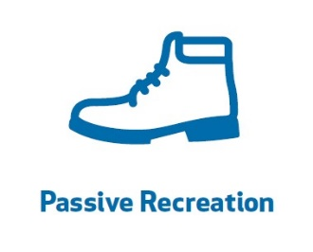
LC7 | HEALTHY LIVING | Hazards: active lifestyle stifled, disconnected paths, unusable greenspace / Opportunities: active lifestyle, reconnection to nature | Liveable communities section 1(a,b,d,e), 2(a,b,e,f), 3(a,c), 4 & 5 on page 26. Coastal Environment section 5 on page 41. Infrastructure Integration section 2(a,d) on page 56. | A study looking at the relationship between urban greenery and mental health found those participants that perceived they had a green neighbourhood, had a 40 to 60% chance of better physical and mental health outcomes, compared to those participants that perceived they did not have a green neighbourhood (Sugiyama et al, 2008).
 | Communal/open space areas have the capacity to support passive or active recreational opportunities. Design outcomes include the following: | This Desired Outcome supports the research that suggests that the built environment can have a significant impact on the level of physical activity that a person
 | (i) Opportunities where people can adopt, interact and generally develop a sense of ownership through passive recreational activities. Eg. Communal gardening, etc. | engages in. Design outcomes should avoid over dependence on structured play equipment or exercise equipment in favour of natural or interactive play opportunities that well-designed water and landscape features can supply.
 | (ii) Site incorporates and/or connects with walking/ cycling tracks.
 | Where a site is not directly connected with active recreation options for walking or cycling, but located within (200m) walkable distance to public transport options, the credit requirement for (ii) can be met.
 | (iii) Play spaces that encourage natural or interactive play opportunities.
 | (iv) There is a direct link with recreation, landscape and water features on the site
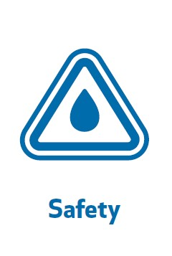
LC8 | SAFE AND WELCOMING PLACES | Hazards: unsafe, unfriendly | Liveable Communities section 1(c,d) & 3(c) on page 26. Tourism section 3(b) on page 36.
 | By using an integrated approach to earthworks and vegetation design, regulatory standards for safety can be achieved in a way that improves inclusiveness and opportunities for positive interactions with water. Design elements include: | This Desired Outcome complements existing mandatory safety standards (e.g. safety in design, QUDM, CPTED) by encouraging approaches that minimise risk through the use of natural means such as plants and careful earthworks design.
 | (i) The careful use of planting and integrated vegetation.
 | (ii) The use of pedestrian bridges or viewing platforms to allow site users to view stormwater safely from above.
 | (iii) Effective use of slope and level change to disperse stormwater in tiered systems, or by allowing water to spread over a greater horizontal space.

LIVING LOCAL ECONOMIES |  |  |  |  | 
Provide affordable, enduring solutions that are viable to build, use and maintain
LLE1 | WATER SYSTEMS THAT CONSIDER WHOLE OF LIFE COSTS AND VALUE FOR MONEY | Hazard: expensive / Opportunity: enhance triple bottom line value | Liveable Communities section 1 (a) & 2(e) on page 26. Housing Supply and Diversity section 4 on page 24. Water Quality section 4 & 5(a) on page 45.
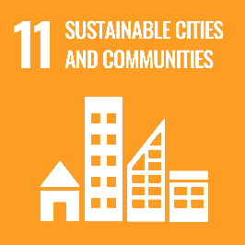
 | Planning and design of water cycle practices consider life-cycle costs of infrastructure. Costs must commensurate with the capacity of the project developer and ultimate asset owner to pay those costs. | For stormwater quality measures, costs are reported for: a) construction and
 | The proposed stormwater strategy provides multiple benefit outcomes and (triple bottom line) value for money. | establishment and b) operation, maintenance and renewal. Levelised costs, calculated as Net Present Value of lifecycle costs over Net Present Value of lifecycle benefits, are presented.
1 | This element encourages offsets where environmental/social beniits can be multiplied. | Reference to Local Council requirements is recommended for guidance.

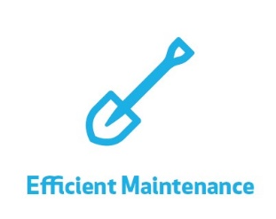
1 | 1 | 1
LLE2 | WATER SYSTEMS THAT CONSIDER MAINTENANCE AND ACCESS REQUIREMENTS | Hazard: expensive to maintain | Water Quality section 4 & 5(a) on page 45. | Current research suggests an average of 46% of assets are under-performing across several LGA’s leading to decreased WQ performance (Dalrymple, 2019).
 | Planning and design of water cycle practices consider maintenance and access requirements. | Assets requiring frequent maintenance must have easy access using standard maintenance equipment readily accessible to the asset owner.
1 |  | Reference to Local Council requirements is recommended for guidance.
1 | 1 | 1

LLE3 | CIRCULAR ECONOMIES | Hazard: toxic materials / Opportunity: waste reuse | Liveable Communities section 1(a) on page 26.
 | Typical economies follow a linear cycle of production, consumption and waste disposal. Instead, circular economies utilize processes that mimic the natural order: | The objectives of this item is to minimise the volume of waste generated. This approach is achieved three ways, controling and minimising the production of waste, minimising the toxicity of waste through treatment / production methodology
 | (i) Waste products are absorbed into the system and asists future production (e.g. fallen leaves from a tree forms mulch and fertiliser for future growth). | and enuring fit-for-purpose reuse of waste stormwater. This principle can also be applied to infrastructure items such as concrete (e.g. fly ash additives for concrete).
 | (ii) Toxic byproducts and long lived materials (e.g. plastic) are minimised.

 |  |  |  |  |  |  | © 2020 Water by Design

Resilience
Resilience
 |  |  |  |  |  |  |  |  | Stormwater management systems can contribute to building the resilience of the social-ecological system. The Living Waterways framework promotes and rewards the inclusion of design elements that strengthen our capacity to adapt to threats such as climate change.

your project score updates automatically
 | Reference Table |  | 1. Diversity and redundancy | 2. Manage connectivity | 3. Manage slow variables | 4. Foster adaptive thinking | 5. Encourage learning | 6. Broaden participation | 7. Promote polycentric governance | Your Project Score
 | LW1 | STORMWATER QUALITY |  |  | üü |  |  |  |  | 67%
 | LW2 | EROSION AND SEDIMENT CONTROL |  |  | üü |  |  |  |  | 50%
 | LW3 | MAINTAIN NATURAL HYDROLOGY |  | ü | üü |  |  |  |  | 100%
 | LW4 | PERVIOUS SURFACES |  | ü | ü | ü |  |  |  | 0%
 | LW5 | WATER HARVESTING | üü | ü | ü | ü |  |  | ü | 0%
 | LE1 | PROTECT RIPARIAN AND AQUATIC HABITAT | üü | ü |  |  |  |  |  | 50%
 | LE2 | PROTECT BIODIVERSITY VALUES | üü | ü |  |  |  |  |  | 0%
 | LE3 | BIODIVERSITY REHABILITATION | üü | üü |  | ü |  |  |  | 0%
 | LE4 | SUSTAINABLE LANDSCAPED AREAS | ü | ü |  | ü |  |  |  | 0%
 | LE5 | TEMPERATURE MANAGEMENT | ü | ü | ü | ü |  |  |  | 0%
 | LC1 | ENHANCED AMENITY |  | ü |  |  |  | ü |  | 0%
 | LC2 | RANGES OF EXPERIENCES | ü | ü |  |  | ü | ü |  | 0%
 | LC3 | INTEGRATED EDUCATION |  |  |  | ü | üü |  |  | 0%
 | LC4 | NATURAL, HISTORICAL AND CULTURAL IDENTITY |  | ü |  |  | ü | ü |  | 0%
 | LC5 | SOCIAL TIES | ü | ü |  |  |  | ü |  | 0%
 | LC6 | OUTDOOR CONTEMPLATIVE VALUES |  | ü |  |  |  | ü |  | 0%
 | LC7 | HEALTHY LIVING |  | ü |  |  |  | ü |  | 0%
 | LC8 | SAFE AND WELCOMING PLACES |  |  |  | ü |  | ü |  | 0%
 | LLE1 | WHOLE OF LIFE COSTS |  |  | ü | ü |  |  |  | 100%
 | LLE2 | MAINTENANCE AND ACCESS |  | ü | ü | ü |  |  | ü | 100%
 | LLE3 | CIRCULAR ECONOMIES | ü | ü |  | ü |  |  |  | 0%

Reference Table
Principle |  | What this means | Example
1. Maintain diversity and redundancy |  | Systems with more, diverse sources and components are more resilient to changes in environmental conditions e.g. longer dryer period, more intense rainfall | If one part of an urban stormwater system fails, another will continue, which can prevent decline in waterway health, or risks to health or property resulting from a decline in services provided by waterways. Systems with multiple water sources eg potable, stormwater harvesting, sewer mining can supplement sources that fail or are in decline.
2. Manage connectivity |  | Well-connected systems recover from environmental disturbances more quickly, however systems that are too well connected can more effectively deliver shocks and impacts more efficiently. | Technological advances can assist with rapid notification of events and information sharing about natural systems. Avoiding directly connected impervious surfaces reduces hydrologic impacts on waterway health.
3. Manage slow variables and feedbacks |  | Systems where impacts that are hard to see or delayed, are managed, ensuring that the system doesn’t change to a worse state that can be unrecoverable. | In places valued and frequented by the community, changes are observed on a daily basis and unwelcome changes are more easily identified e.g. community may notice any changes in water quality (or quantity) that may impact the system. Installation of constructed wetlands manage input of nutrients to receiving environments.
4. Foster complex adaptive systems thinking |  | Valuing different perspectives to generate an understanding of the system as a whole, embracing complexity and unpredictability | Understanding the diversity of values and threats upstream and downstream of assets.
5. Encourage learning |  | Promote continuous and collaborative learning, not only for our community but also designers, assessors and decision-makers. | Design of a process and/or outcomes that encourage calculated risk-taking and engagement with water
6. Broaden participation |  | Collective action is enabled by shared understanding through participatory processes. | Traditional owners and the general community contribute to the design process.
7. Promote polycentric governance systems |  | Decision-making occurs across and between institutions enabling adaptive management. | A process is established for decision-makers to assess the value of a project across multiple areas of funding or regulation.
 |  |  |  |  |  |  |  |  |  |  | © 2020 Water by Design

Compliance
Compliance
 |  |  |  |  |  |  |  |  | Ensuring great outcomes on the ground requires a multidiciplinary approach. This table outlines which professionals need to be involved for each element of the project and how signoff is documented
The documentation requirements
Checklist: have you got the right team on the project?
 |  | Signoff |  |  |  |  | Documentation
Reference Table |  | Suitably qualified stormwater professional | Registered Landscape Architect | Registered Profesional Engineer QLD (RPEQ) | Certified Profesional in ESC(CPESC) | Ecologist | Stormwater Management Plan (SMP) | Landscape plan | Ecological Report | Submission statement | Project Personnel
LW1 | STORMWATER QUALITY | ü |  | ü |  |  | ü |  |  |  |  | TRUE
LW2 | EROSION AND SEDIMENT CONTROL |  |  | ü | ü |  | ü |  |  |  |  | TRUE
LW3 | MAINTAIN NATURAL HYDROLOGY | ü |  | ü |  |  | ü |  |  |  |  | TRUE
LW4 | PERVIOUS SURFACES | ü |  | ü |  |  | ü |  |  |  |  | TRUE
LW5 | WATER HARVESTING | ü |  | ü |  |  | ü |  |  |  |  | TRUE
LE1 | PROTECT RIPARIAN AND AQUATIC HABITAT |  |  |  |  | ü |  |  | ü
LE2 | PROTECT BIODIVERSITY VALUES |  |  |  |  | ü |  |  | ü |  | Optional Personnel
LE3 | BIODIVERSITY REHABILITATION |  |  |  |  | ü |  |  | ü |  |  | FALSE
LE4 | SUSTAINABLE LANDSCAPED AREAS |  | ü |  |  |  |  | ü |  |  |  | FALSE
LE5 | TEMPERATURE MANAGEMENT |  | ü |  |  |  |  | ü |  |  |  | FALSE
LC1 | ENHANCED AMENITY |  | ü |  |  |  |  | ü |  |  |  | FALSE
LC2 | RANGES OF EXPERIENCES |  | ü |  |  |  |  | ü |  |  |  | FALSE
LC3 | INTEGRATED EDUCATION |  | ü |  |  |  |  | ü |  |  |  | FALSE
LC4 | NATURAL, HISTORICAL AND CULTURAL IDENTITY |  | ü |  |  |  |  | ü
LC5 | SOCIAL TIES |  | ü |  |  |  |  | ü
LC6 | OUTDOOR CONTEMPLATIVE VALUES |  | ü |  |  |  |  | ü
LC7 | HEALTHY LIVING |  | ü |  |  |  |  | ü
LC8 | SAFE AND WELCOMING PLACES |  | ü | ü |  |  | ü | ü
LLE1 | WHOLE OF LIFE COSTS | ü |  |  |  |  | ü |  |  | ü
LLE2 | MAINTENANCE AND ACCESS | ü |  |  |  |  | ü |  |  | ü
LLE3 | CIRCULAR ECONOMIES | ü |  |  |  |  | ü |  |  | ü

